Part1
# | Question | Vumingo | Vumingo | Trung | Note
1 | Your company build a TensorFlow newtral-network…. Model fits well to for the training data …. However test against new data. It performs poorly What method can be employ to address this? | OK | C | C | https://medium.com/mlreview/a-simple-deep-learning-model-for-stock-price-prediction-using-tensorflow-30505541d877 Dropout (neural networks) From Wikipedia, the free encyclopedia. Dropout is a regularization technique patented by Google for reducing overfitting in neural networks by preventing complex co-adaptations on training data. It is a very efficient way of performing model averaging with neural networks. Dropouts — Randomly dropping connections between neurons, forcing the network to find new paths and generalise
2 | Building a model to make clothing recommendations. Data change, new data, How should you use this data to train the new model? | NG | D | B
3 | Patient records. Database must now store more than 100 times | OK | B | C | Practice Exam
4 |  | OK | A | A
5 |  | OK | D | D
6 |  | OK |  | B
7 |  | OK |  | A
8 |  | OK |  | D | Practice Exam
9 | 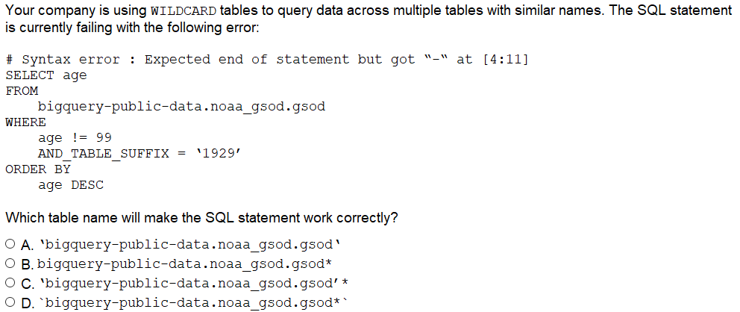 | NG | B | D | Practice Exam D answer at Vumingo was wrong, Google corrected at test
10 |  | OK |  | BDF
11 |  | OK | D | C | Practice Exam
12 |  | OK |  | BDF
13 |  | NG | A | A | scale horizontally, process payment transaction need ACID
14 |  | NG | BC | AC
15 |  | OK |  | A
16 |  | OK |  | A | Practice Exam
17 |  | OK |  | D | Practice Exam
18 |  | OK |  | BCD
19 |  | NG | B | A | Practice Exam Need to save storage cost, GCS cost is low
20 |  | NG | B | D | Not ack by the deadline could cause losing message issue. At Google FAQ
21 |  | OK |  | A
22 |  | OK |  | D
23 |  | OK |  | B
24 | 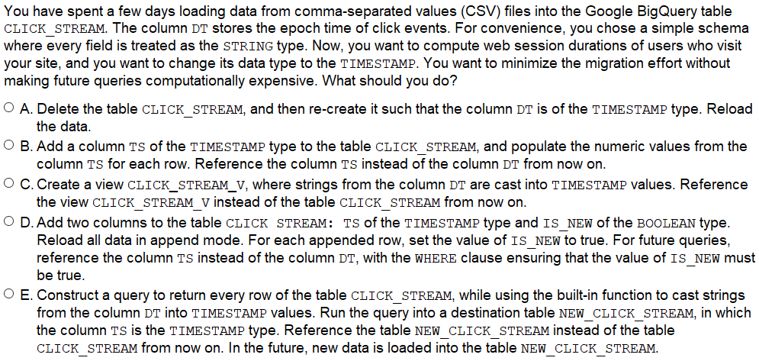 | NG | B | C | Creating view is low cost and can avoid the data redundancy
25 |  | OK |  | D
26 |  | OK |  | D
27 |  | OK |  | B
28 | 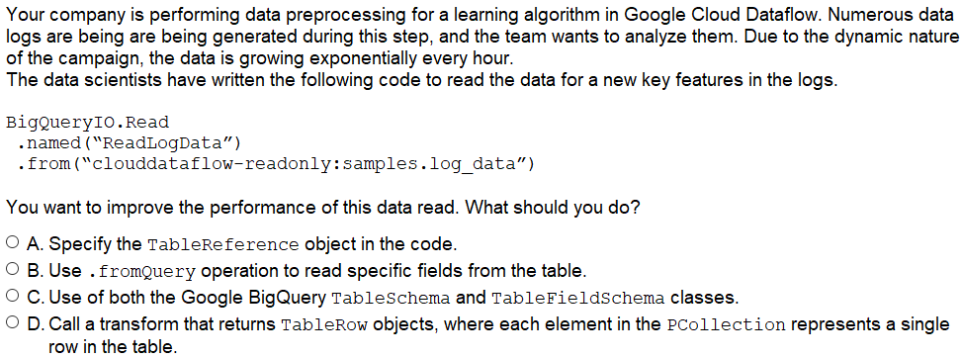 | NG | D | B | Use fromQuery to select specified column not select *
29 |  | NG | A | D | Practice Exam D answer at Vumingo was wrong, Google corrected at test so D is correct at Google Test
30 |  | NG | C | D | Just get the dump data of mysql then mount to google https://searchdatabackup.techtarget.com/answer/Can-I-use-backed-up-data-for-analytics
31 |  | OK | D | A | https://cloud.google.com/blog/products/gcp/managing-streaming-pipelines-in-google-cloud-dataflow-just-got-better
32 |  | OK |  | A
33 |  | OK |  | B
34 |  | NG | B | C | Case Study Share data on GCS at Avro format could be accessed from on premised or cloud
35 |  | NG | C | A | Case Study Not mention about about format to store sql or sth
36 |  | OK |  | C | Case Study
37 | 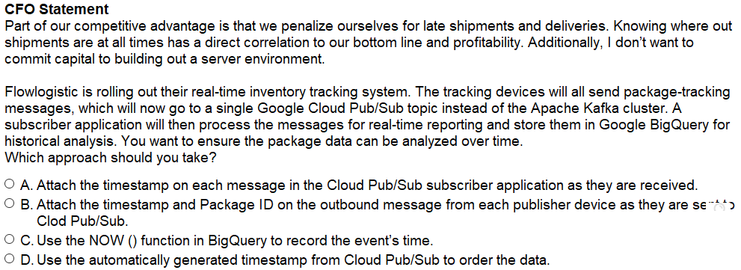 | OK |  | B | Case Study
38 |  | NG | A | B | Case Study Zone and max number of workers will cancel job. # of worker is correct
39 | 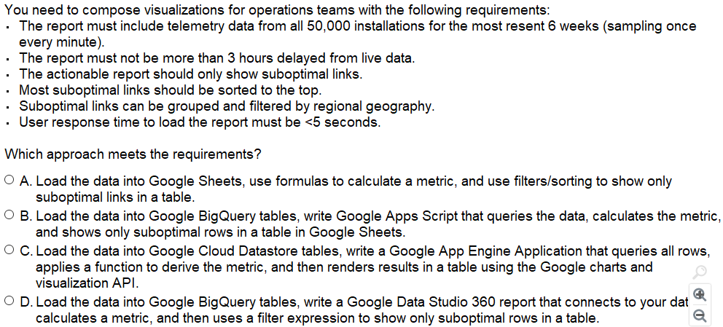 | OK |  | D | Case Study
40 | 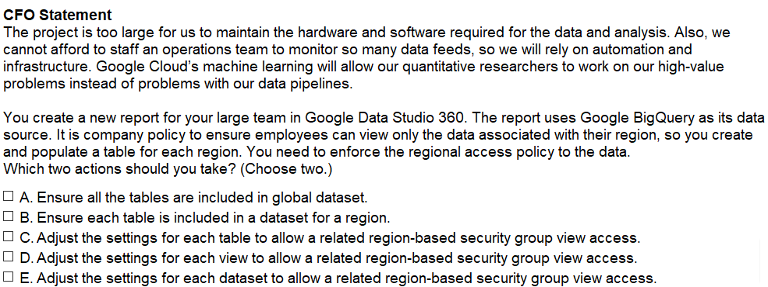 | OK |  | BE | Case Study
41 | 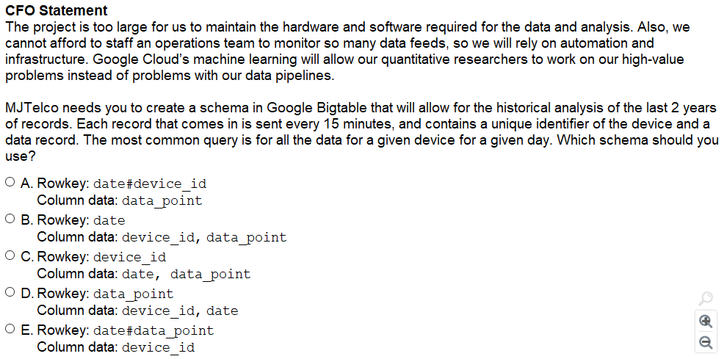 | OK??? | D | A | Case Study
42 |  | NG | A | B | Pig job performance is not good. Apache Spark could improve perfpormance multiple times. https://www.educba.com/pig-vs-spark/
43 | 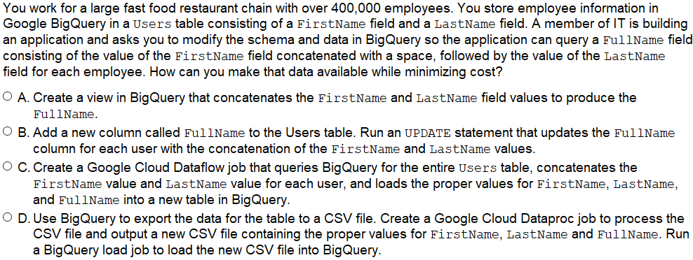 | NG | C | A | Creating view is low cost and can avoid the data redundancy
44 | 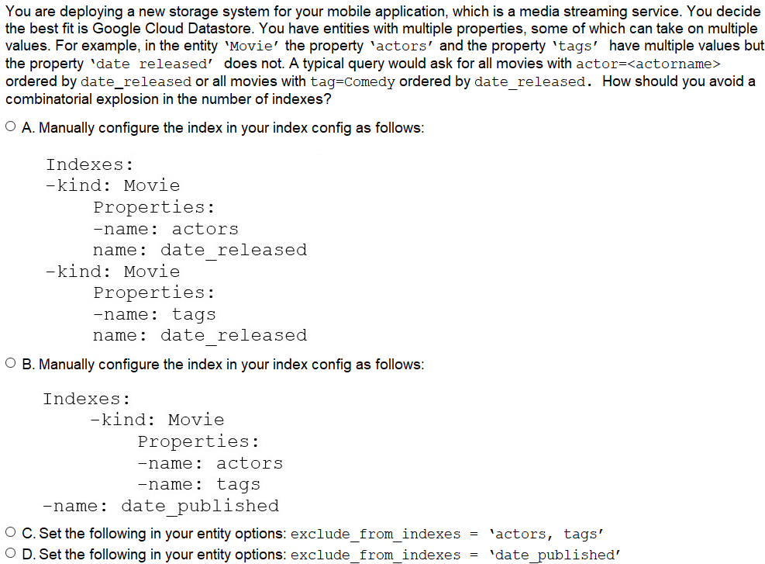 | OK |  | A
45 |  | OK |  | C
46 |  | OK |  | B | https://cloud.google.com/bigquery/external-data-sources
47 |  | OK |  | A
48 |  | OK |  | C | Practice Exam
49 | 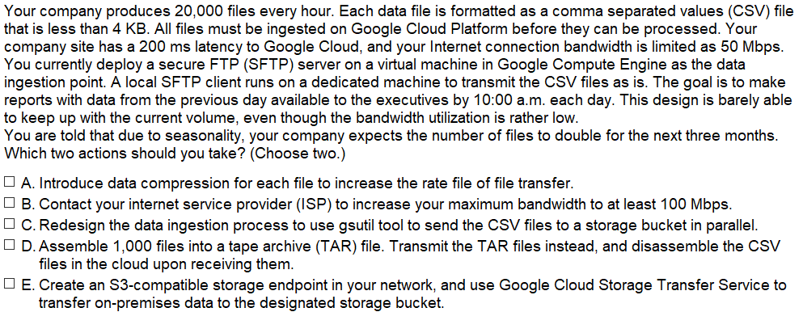 | NG | CE | CD | E is wrong because do not mention about whether data is on AWS
50 |  | OK |  | BEF
51 |  | NG | ADF | ACE | Need to increase regularization rules
52 |  | OK |  | B
53 | 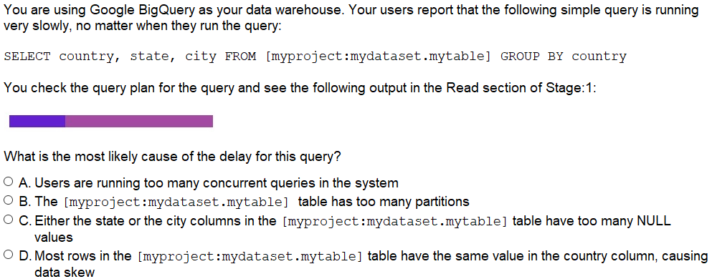 | NG | A | D | Group only 1 country in the table is ~ to non grouping. Multiple requests at testing time shall not impact GCP. https://cloud.google.com/bigquery/docs/best-practices-performance-patterns#data_skew
54 |  | NG | C | B | Use write and pull to get data to process batch
55 |  | OK |  | DE
56 |  | OK |  | A
57 |  | OK |  | B
58 |  | NG | A | B | B will be good solution (systematically) with less impact on the existing job https://netjs.blogspot.com/2018/07/chaining-mapreduce-job-in-hadoop.html
59 |  | OK |  | A | https://cloud.google.com/solutions/business-intelligence/
60 |  | OK |  | A
61 |  | OK |  | A
62 |  | OK |  | B
63 | 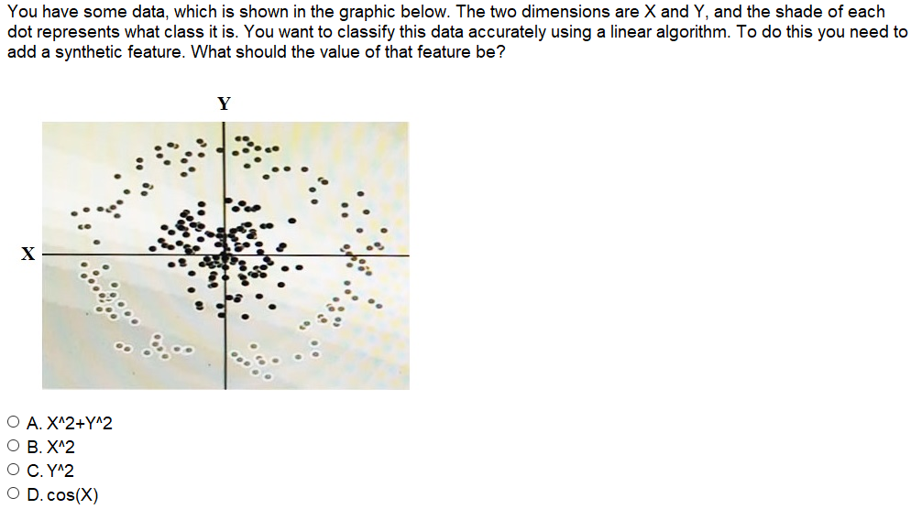 | NG | D | A | Clearly, this is not correct
64 |  | OK |  | C
65 |  | NG | C | B | Must clean null data to constant for speed up (this case convert to zero as a constant)
66 |  | OK |  | B
67 |  | OK |  | C
68 |  | OK |  | C
69 |  | OK |  | A
70 |  | OK |  | D
71 |  | OK |  | A | Practice Exam
72 |  | OK |  | C | https://cloud.google.com/bigquery/external-data-cloud-storage#permanent_versus_temporary_external_tables
73 |  | NG | D | C | Practice Exam Secondary index is a good mechanism of google to speed up query on nonkey columns
74 |  | OK |  | A | https://cloud.google.com/bigtable/docs/schema-design-time-series
75 |  | OK |  | B
76 |  | OK |  | B
77 |  | OK |  | B | https://towardsdatascience.com/how-to-increase-the-accuracy-of-a-neural-network-9f5d1c6f407d
78 |  | NG | D | A | Piglatin is correct since this is on premised ETL per Yahoo recommend.
79 |  | OK |  | C
80 | 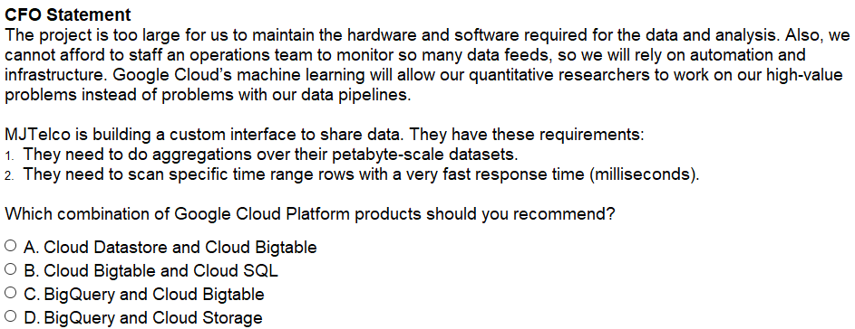 | OK |  | C
81 | 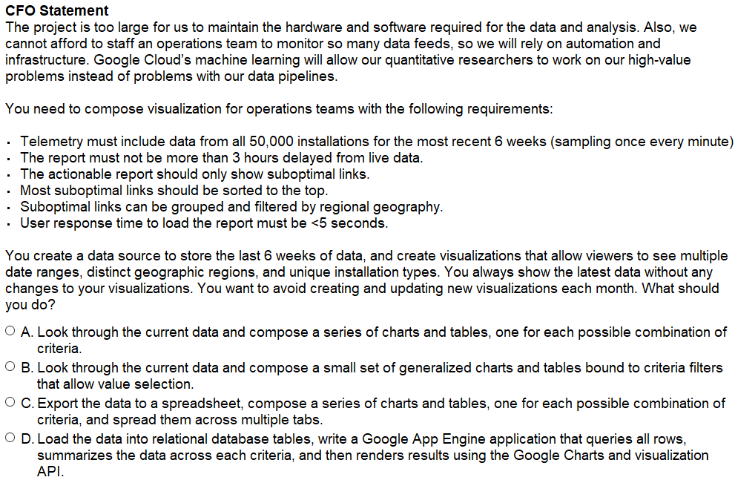 | OK |  | B | Case Study
82 | 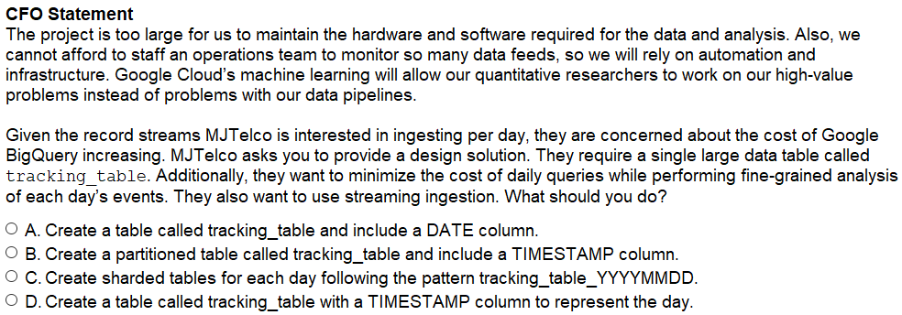 | OK |  | B | Case Study
83 | 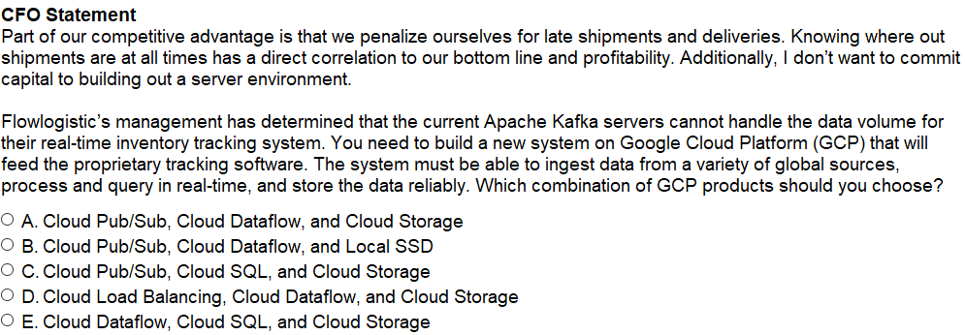 | NG | C |  | Case Study Duplicated with Q35

